M2
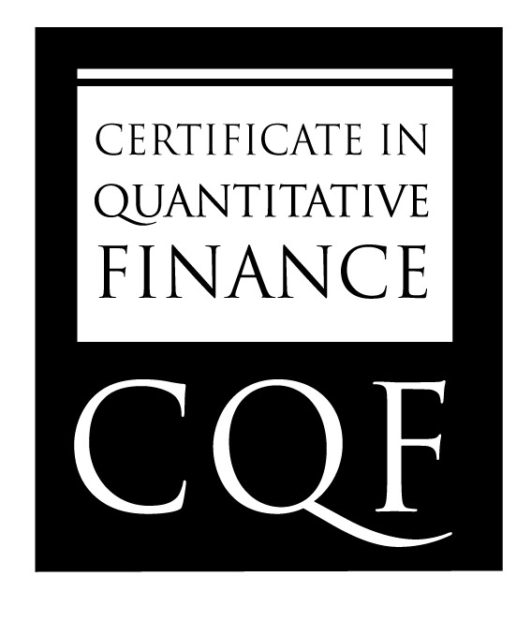
 | Name | Ran Zhao

CQF Module 2 Results

 | Question | Sub-Question | Question Value | Percentage Awarded | Grade | Comments

 | A.1 |  | 10% | 100 | 10 | excellenrt throughtout, good analytiucs
 | A.2 |  | 28% | 100 | 28 | all numerics correct
 | A.3 |  | 10% | 100 | 10
 | B.1-2 |  | 20% | 100 | 20 | good estimates, check accuracy
 | C.1 |  | 8% | 100 | 8 | good mathematics
 | C.2 |  | 8% | 100 | 8
 | C.3 |  | 8% | 100 | 8
 | C.4 |  | 8% | 100 | 8 | excellent, well done

 |  | Total | 100 |  | 100

GLOBAL STANDARD IN FINANCIAL ENGINEERING

